FLASH SALE

FLASH SALE every day from 12:00-18:00 !
TANGGAL | Produk | Sku | Harga | Stok Flash Sale | Disc Normal | Disc Flash Sale Kilat | Harga Jual Sekarang | Harga Disc. Flash Sale
10-Oct-26 | CASIO | A158WA-1D | 669,000 | 3 | 22% | 23% | 521,820 | 515,130
 | CASIO | F-91W-1D | 419,000 | 3 | 22% | 23% | 326,820 | 322,630
 | CASIO | LA670WA-7D | 819,000 | 3 | 22% | 23% | 638,820 | 630,630
 | CASIO | LTP-V007L-9B | 559,000 | 3 | 22% | 23% | 436,020 | 430,430
 | CASIO | A168WA-1W | 879,000 | 3 | 22% | 23% | 685,620 | 676,830
11-Oct-26 | CASIO | MQ-24-1E | 299,000 | 3 | 22% | 23% | 233,220 | 230,230
 | CASIO | MTP-V004L-1A | 589,000 | 3 | 22% | 23% | 459,420 | 453,530
 | CASIO | A159WA-N1 | 749,000 | 3 | 22% | 23% | 584,220 | 576,730
 | CASIO | F-91W-3D | 419,000 | 3 | 22% | 23% | 326,820 | 322,630
 | G SHOCK | DW-9052-1V | 1,279,000 | 3 | 30% | 31% | 895,300 | 882,510
12-Oct-26 | CASIO | LTP-V007D-7B | 659,000 | 3 | 22% | 23% | 514,020 | 507,430
 | CASIO | LTP-V007L-7B1 | 559,000 | 3 | 22% | 23% | 436,020 | 430,430
 | CASIO | AQ-230A-1D | 1,039,000 | 3 | 22% | 23% | 810,420 | 800,030
 | CASIO | LQ-139AMV-1E | 309,000 | 3 | 22% | 23% | 241,020 | 237,930
 | CASIO | LTP-1094Q-9A | 669,000 | 3 | 22% | 23% | 521,820 | 515,130
13-Oct-26 | CASIO | LQ-139AMV-1B3 | 309,000 | 3 | 22% | 23% | 241,020 | 237,930
 | CASIO | LTP-V007L-7B2 | 559,000 | 3 | 22% | 23% | 436,020 | 430,430
 | CASIO | LTP-V007L-7E1 | 559,000 | 3 | 22% | 23% | 436,020 | 430,430
 | CASIO | MQ-24-7B | 299,000 | 3 | 22% | 23% | 233,220 | 230,230
 | G SHOCK | GA-2100-1A1 | 2,539,000 | 3 | 30% | 31% | 1,777,300 | 1,751,910
14-Oct-26 | CASIO | LQ-139BMV-7E | 309,000 | 3 | 22% | 23% | 241,020 | 237,930
 | CASIO | LTP-V007D-4E | 659,000 | 3 | 22% | 23% | 514,020 | 507,430
 | CASIO | LTP-V007G-9B | 909,000 | 3 | 22% | 23% | 709,020 | 699,930
 | CASIO | LTP-V001D-7B | 559,000 | 3 | 22% | 23% | 436,020 | 430,430
 | CASIO | MTP-V001L-1B | 489,000 | 3 | 22% | 23% | 381,420 | 376,530
15-Oct-26 |  | TBC |  | 3 | 30% | 31% | 0 | 0
 |  | TBC |  | 3 | 30% | 31% | 0 | 0
 |  | TBC |  | 3 | 30% | 31% | 0 | 0
 |  | TBC |  | 3 | 30% | 31% | 0 | 0
 |  | TBC |  | 3 | 30% | 31% | 0 | 0
16-Oct-26 |  | TBC |  | 3 | 30% | 31% | 0 | 0
 |  | TBC |  | 3 | 30% | 31% | 0 | 0
 |  | TBC |  | 3 | 30% | 31% | 0 | 0
 |  | TBC |  | 3 | 30% | 31% | 0 | 0
 |  | TBC |  | 3 | 30% | 31% | 0 | 0
17-Oct-26 |  | TBC |  | 3 | 30% | 31% | 0 | 0
 |  | TBC |  | 3 | 30% | 31% | 0 | 0
 |  | TBC |  | 3 | 30% | 31% | 0 | 0
 |  | TBC |  | 3 | 30% | 31% | 0 | 0
 |  | TBC |  | 3 | 30% | 31% | 0 | 0
18-Oct-26 |  | TBC |  | 3 | 30% | 31% | 0 | 0
 |  | TBC |  | 3 | 30% | 31% | 0 | 0
 |  | TBC |  | 3 | 30% | 31% | 0 | 0
 |  | TBC |  | 3 | 30% | 31% | 0 | 0
 |  | TBC |  | 3 | 30% | 31% | 0 | 0
19-Oct-26 |  | TBC |  | 3 | 30% | 31% | 0 | 0
 |  | TBC |  | 3 | 30% | 31% | 0 | 0
 |  | TBC |  | 3 | 30% | 31% | 0 | 0
 |  | TBC |  | 3 | 30% | 31% | 0 | 0
 |  | TBC |  | 3 | 30% | 31% | 0 | 0
20-Oct-26 |  | TBC |  | 3 | 30% | 31% | 0 | 0
 |  | TBC |  | 3 | 30% | 31% | 0 | 0
 |  | TBC |  | 3 | 30% | 31% | 0 | 0
 |  | TBC |  | 3 | 30% | 31% | 0 | 0
 |  | TBC |  | 3 | 30% | 31% | 0 | 0
21-Oct-26 |  | TBC |  | 3 | 30% | 31% | 0 | 0
 |  | TBC |  | 3 | 30% | 31% | 0 | 0
 |  | TBC |  | 3 | 30% | 31% | 0 | 0
 |  | TBC |  | 3 | 30% | 31% | 0 | 0
 |  | TBC |  | 3 | 30% | 31% | 0 | 0
22-Oct-26 |  | TBC |  | 3 | 30% | 31% | 0 | 0
 |  | TBC |  | 3 | 30% | 31% | 0 | 0
 |  | TBC |  | 3 | 30% | 31% | 0 | 0
 |  | TBC |  | 3 | 30% | 31% | 0 | 0
 |  | TBC |  | 3 | 30% | 31% | 0 | 0
23-Oct-26 |  | TBC |  | 3 | 30% | 31% | 0 | 0
 |  | TBC |  | 3 | 30% | 31% | 0 | 0
 |  | TBC |  | 3 | 30% | 31% | 0 | 0
 |  | TBC |  | 3 | 30% | 31% | 0 | 0
 |  | TBC |  | 3 | 30% | 31% | 0 | 0
24-Oct-26 |  | TBC |  | 3 | 30% | 31% | 0 | 0
 |  | TBC |  | 3 | 30% | 31% | 0 | 0
 |  | TBC |  | 3 | 30% | 31% | 0 | 0
 |  | TBC |  | 3 | 30% | 31% | 0 | 0
 |  | TBC |  | 3 | 30% | 31% | 0 | 0
25-Oct-26 |  | TBC |  | 3 | 30% | 31% | 0 | 0
 |  | TBC |  | 3 | 30% | 31% | 0 | 0
 |  | TBC |  | 3 | 30% | 31% | 0 | 0
 |  | TBC |  | 3 | 30% | 31% | 0 | 0
 |  | TBC |  | 3 | 30% | 31% | 0 | 0
26-Oct-26 |  | TBC |  | 3 | 30% | 31% | 0 | 0
 |  | TBC |  | 3 | 30% | 31% | 0 | 0
 |  | TBC |  | 3 | 30% | 31% | 0 | 0
 |  | TBC |  | 3 | 30% | 31% | 0 | 0
 |  | TBC |  | 3 | 30% | 31% | 0 | 0
27-Oct-26 |  | TBC |  | 3 | 30% | 31% | 0 | 0
 |  | TBC |  | 3 | 30% | 31% | 0 | 0
 |  | TBC |  | 3 | 30% | 31% | 0 | 0
 |  | TBC |  | 3 | 30% | 31% | 0 | 0
 |  | TBC |  | 3 | 30% | 31% | 0 | 0
28-Oct-26 |  | TBC |  | 3 | 30% | 31% | 0 | 0
 |  | TBC |  | 3 | 30% | 31% | 0 | 0
 |  | TBC |  | 3 | 30% | 31% | 0 | 0
 |  | TBC |  | 3 | 30% | 31% | 0 | 0
 |  | TBC |  | 3 | 30% | 31% | 0 | 0
29-Oct-26 |  | TBC |  | 3 | 30% | 31% | 0 | 0
 |  | TBC |  | 3 | 30% | 31% | 0 | 0
 |  | TBC |  | 3 | 30% | 31% | 0 | 0
 |  | TBC |  | 3 | 30% | 31% | 0 | 0
 |  | TBC |  | 3 | 30% | 31% | 0 | 0
30-Oct-26 |  | TBC |  | 3 | 30% | 31% | 0 | 0
 |  | TBC |  | 3 | 30% | 31% | 0 | 0
 |  | TBC |  | 3 | 30% | 31% | 0 | 0
 |  | TBC |  | 3 | 30% | 31% | 0 | 0
 |  | TBC |  | 3 | 30% | 31% | 0 | 0

VOUCHER
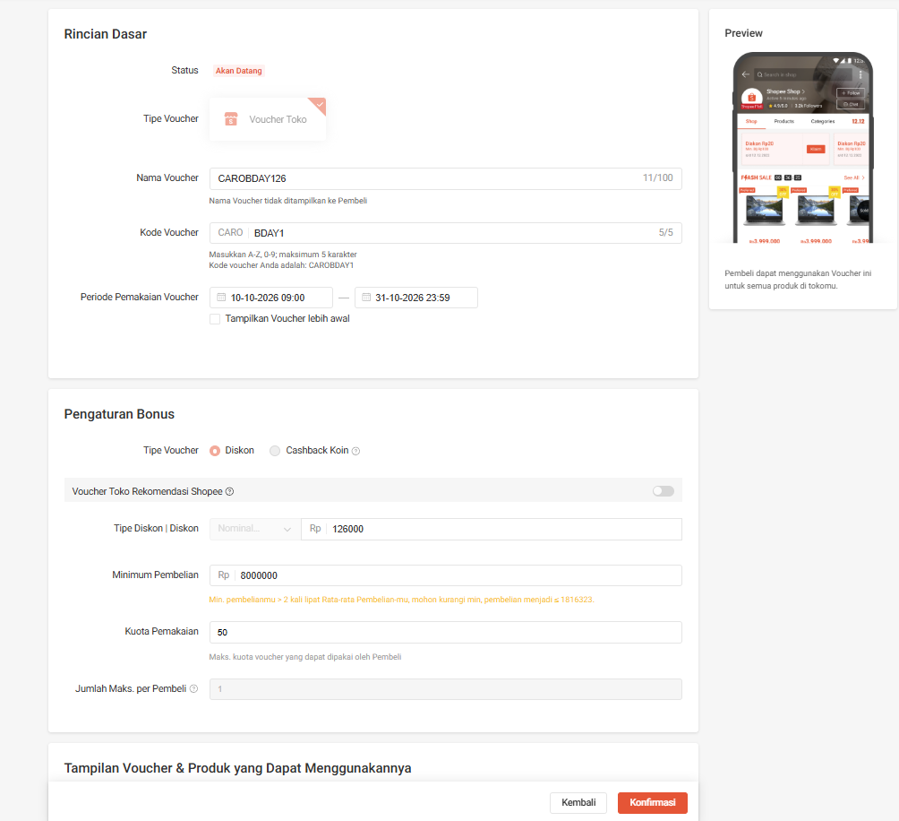
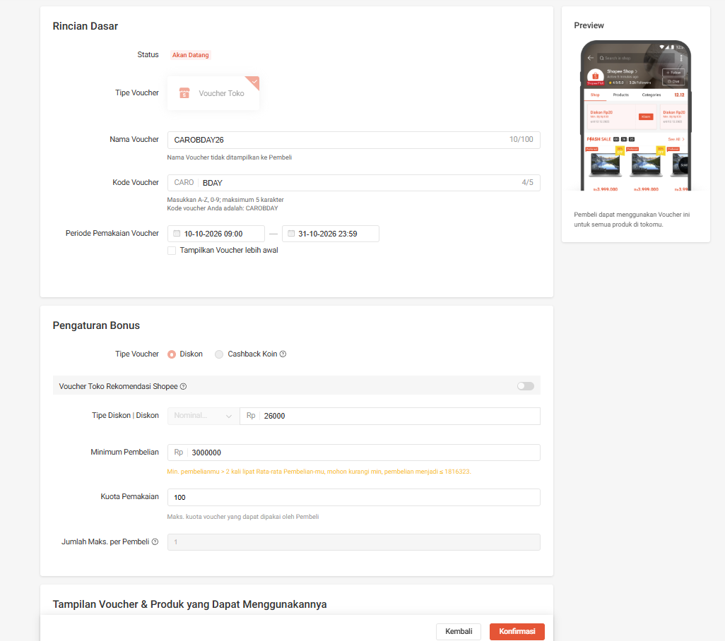
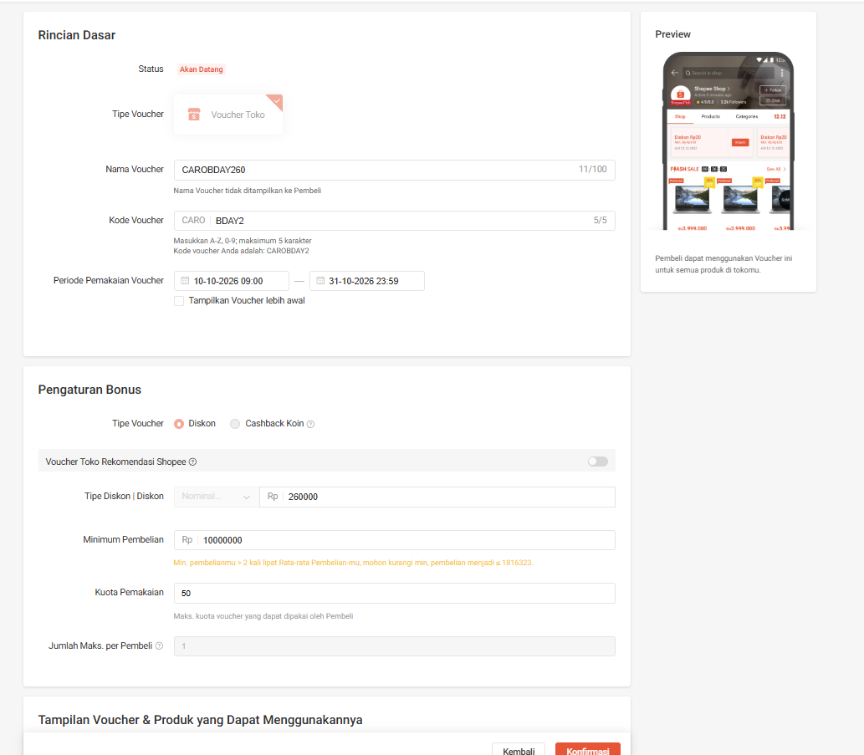
"Voucher 26k off for min spend Rp 3.000.000 (CAROBDAY26) , kuota: 100 Voucher 126k off for min spend Rp 8.000.000 (CAROBDAY126) , kuota: 100 Voucher 260k off for min spend Rp 10.000.000 (CAROBDAY126) , kuota: 50"

